Notes
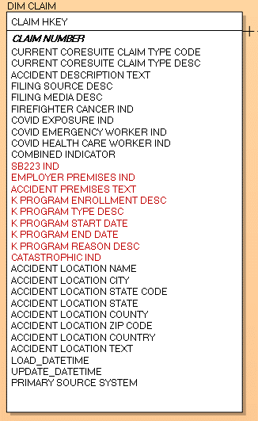
1. Trim all Text fields | Screenshot from 04/23/21

